Profit Loss
Net Profit = Rp?
Profit Loss

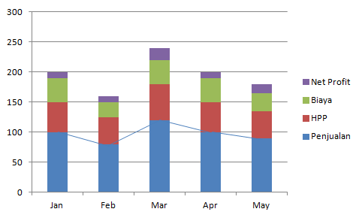
Rp
Biaya = Rp?
Dashboard

GP = Rp?

Penjualan = Rp?
GP

Penjualan

Sales previous: Real jual previous / Plan Jual previous * 100%

 | Plan vs Real
Sales : Real jual now / Plan Jual now * 100%
Growth : Real (now-previous) / Real previous *100%

Rp

Now
Previous

 | di klik |  |  |  | : | Diatas sama dengan KPI
 |  |  |  |  | : | Dibawah KPI
 |  |  | year to date | Penjualan 2018 | : | Diatas pertumbuhan 15%

 | TOP 5 | Per Legal
Rp
Sales previous: Real jual previous / Plan Jual previous * 100%

Sales : Real jual now / Plan Jual now * 100%
Growth : Real (now-previous) / Real previous *100%

LEGAL D
Now
LEGAL A
Previous
LEGAL B
LEGAL C
LEGAL E

HPP

 | Plan vs Real

Rp

Item A = Real GP : </> Standart GP :
Item B= Real GP : </> Standart GP :
Item C = Real GP : </> Standart GP :

Standard
Realisasi

 | TOP 10 | Per bahan aktif
Rp

Biaya
Biaya vs Sales Previous : Real biaya previous / Real Jual previous * 100%
 | Plan vs Real

Rp
Biaya Now : Real biaya now / Plan biaya now * 100%
Biaya vs Sales Now: Real biaya now / Real Jual now * 100%

Now
Previous
Plan Account A :
Real Account A :

 | di klik |  |  |  | : | Diatas sama dengan KPI
 |  |  |  |  | : | Dibawah KPI
 |  |  | month to date | Biaya | : | 21% dari total penjualan bulan berjalan

Plan Account E :
Real Account E :
 | TOP 5 | Account yang plan < real
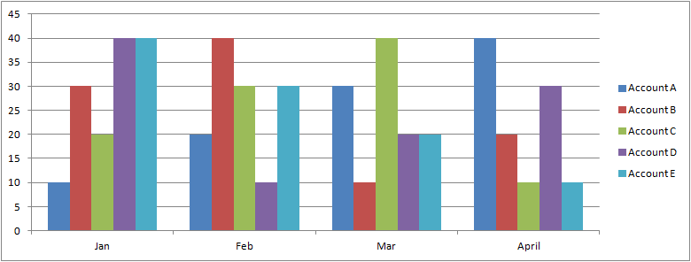
Rp

Net Profit
Real Net Profit :

 | Plan vs Real

Rp
Standart Net Profit :

Standard
Realisasi

